Pricing
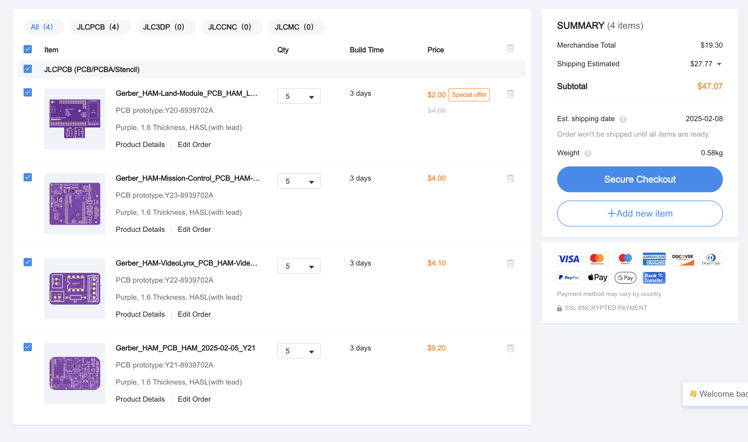
Item | Link | Quantitiy | Unit Price | Total
JLCPCB Custom PCB Order | https://jlcpcb.com | 1 | 47.07 | 47.07
 |  |  |  | 47.07

